HK energy statistics
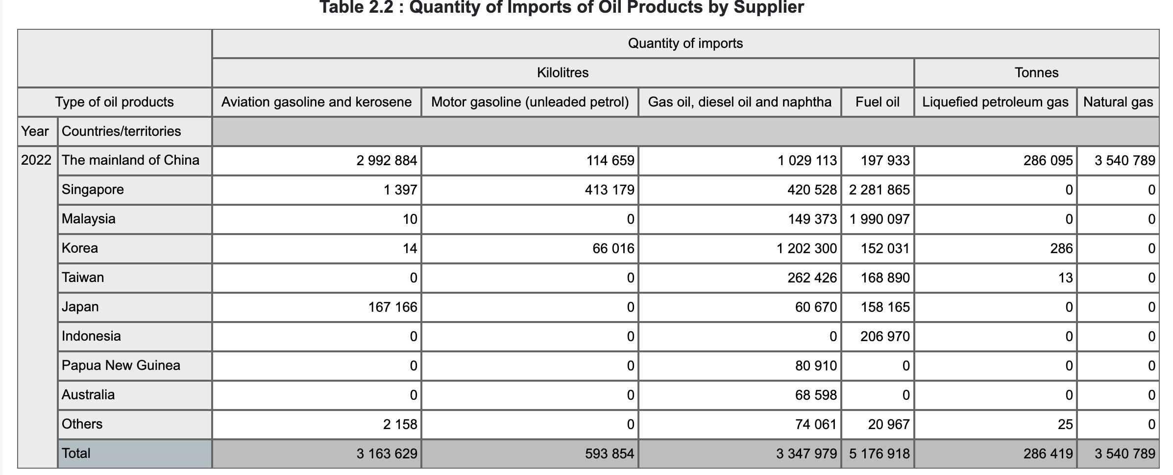
 |  |  |  |  |  |  |  |  | 2020 (terajoules) |  |  |  |  | https://www.censtatd.gov.hk/en/data/stat_report/product/B1100002/att/B11000022020AN20B0100.pdf
 |  |  |  |  |  |  |  |  |  | Coal products | Oil products | Electricity | Gas
 |  |  |  |  |  |  |  |  | Indigenous production | 0 | 4655 | 0 | 0
2020 |  | Net | Import | Re-export | Tonne | Steam coal and other coal | Wood charcoal | Anthracite | Imports | 144764 | 823901 | 45716 | 0
kilolitre | Aviation gasoline | 7787355 | 7787395 | 40 | Net | 5485015 | 3935 | 0 | Exports | -9 | -6402 | 0 | 0
kilolitre | Unleaded motor gasoline | 625679 | 640911 | 15232 | Import | 5485018 | 4243 | 0 | Bunker |  | -444651 |  | 0
kilolitre | Gas oil, diesel oil and naphtha | 7269099 | 7398379 | 129280 | Re-export | 3 | 308 | 0 | Supply from stock | -7125 | -25975 |  | 0
kilolitre | Fuel oil | 807500 | 8248682 | 173682 |  |  |  |  | Primary energy requirements | 137630 | 351527 | 45716 | 0
tonne | LPG (tonne) | 377769 | 378110 | 341 |  |  |  |  | Gas manufacture | 0 | -30863 |  | 27947
tonne | Natural Gas (tonne) | 2444030 | 2444030 | 0 |  |  |  |  | Electricity generation | -137515 | -177996 | 126680
 |  |  |  |  |  |  |  |  | System loss |  |  | -13272
 |  |  |  |  |  |  |  |  | Final energy requirements | 115 | 142668 | 159124 | 27947
2021 |  | Net | Import | Re-export | Tonne | Steam coal and other coal | Wood charcoal | Anthracite
kilolitre | Aviation gasoline | 3693780 | 3693780 | 0 | Net | 6533462 | 3567 | 0 | 2021 (terajoules)
kilolitre | Unleaded motor gasoline | 629719 | 640336 | 10617 | Import | 6533529 | 3947 | 0 |  | Coal products | Oil products | Electricity | Gas | https://www.censtatd.gov.hk/en/data/stat_report/product/B1100002/att/B11000022021AN21B0100.pdf
kilolitre | Gas oil, diesel oil and naphtha | 4302364 | 4359848 | 57484 | Re-export | 67 | 380 | 0 | Indigenous production | 0 | 5306 | 0 | 0
kilolitre | Fuel oil | 5899012 | 5901827 | 2815 |  |  |  |  | Imports | 172405 | 743618 | 45197 | 0
tonne | LPG (tonne) | 307695 | 307798 | 103 |  |  |  |  | Exports | -13 | -2538 | 0 | 0
tonne | Natural Gas (tonne) | 3784682 | 3784684 | 2 |  |  |  |  | Bunker | 0 | -398404 | 0 | 0
 |  |  |  |  |  |  |  |  | Supply from stock | -19518 | -12028 | 0 | 0
 |  |  |  |  |  |  |  |  | Primary energy requirements | 152874 | 335955 | 45197 | 0
2022 |  | Net | Import | Re-export | Tonne | Steam coal and other coal | Wood charcoal | Anthracite | Gas manufacture | 0 | -30958 | 0 | 27677
kilolitre | Aviation gasoline | 7787355 | 3163629 | 0 | Net | 6215976 | 2797 | 714 | Electricity generation | -152769 | -179557 | 133455 | 0
kilolitre | Unleaded motor gasoline | 625679 | 593854 | 8965 | Import | 6216009 | 3333 | 714 | System loss | 0 | 0 | -13724 | 0
kilolitre | Gas oil, diesel oil and naphtha | 7269099 | 3347979 | 76522 | Re-export | 33 | 536 | 0 | Final energy requirements | 105 | 125440 | 164929 | 27677
kilolitre | Fuel oil | 807500 | 51176918 | 5762
tonne | LPG (tonne) | 377769 | 286419 | 165
tonne | Natural Gas (tonne) | 2444030 | 3540789 | 2 |  |  |  |  | 2022 (terajoules) |  |  |  |  | https://www.censtatd.gov.hk/en/wbr.html?ecode=B11000022022AN22&scode=90
 |  |  |  |  |  |  |  |  |  | Coal products | Oil products | Electricity | Gas
 |  |  |  |  |  |  |  |  | Indigenous production | 0 | 6266 | 0 | 0
 |  |  |  |  |  |  |  |  | Imports | 164035 | 652920 | 44452 | 0
 |  |  |  |  |  |  |  |  | Exports | -17 | -3292 | 0 | 0
 |  |  |  |  |  |  |  |  | Bunker | 0 | -354251 | 0 | 0
 |  |  |  |  |  |  |  |  | Supply from stock | -13661 | -5419 | 0 | 0
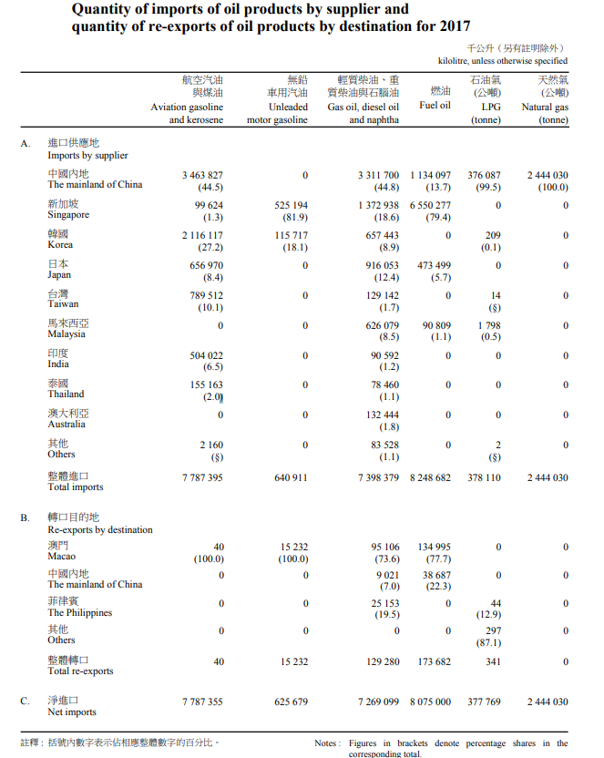
 |  |  |  |  |  |  |  |  | Primary energy requirements |  |  |  | 0
 |  |  |  |  |  |  |  |  | Gas manufacture | 0 | -30856 | 0 | 27398
 |  |  |  |  |  |  |  |  | Electricity generation | -150254 | -176417 | 130269 | 0
 |  |  |  |  |  |  |  |  | System loss | 0 | 0 | -13225 | 0
 |  |  |  |  |  |  |  |  | Final energy requirements

